ER Diagram
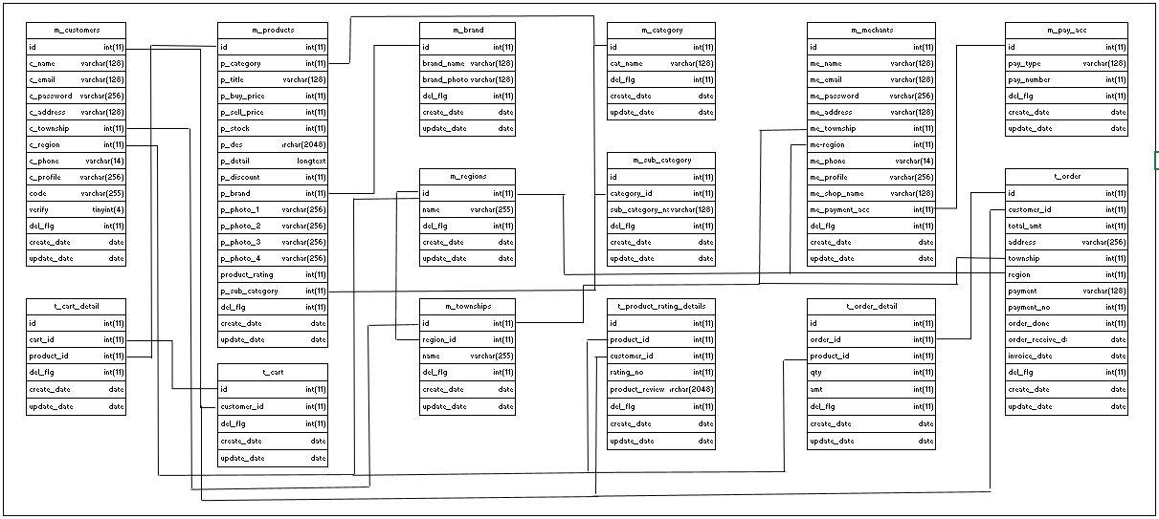
ER Diagram | Go_Deal | Create Date | 2023-08-16
 |  | Update Date | 2023-08-16

